Attrition Count
Row Labels | Sum of EmployeeCount
No | 83.88%
Yes | 16.12%
Grand Total | 100.00%

Row Labels | Attrition Rate
No | 83.88
Yes | 16.12

Attrition Rate

Attrition By overtime
Sum of EmployeeCount | Column Labels |  |  | Sum of EmployeeCount | Column Labels
Row Labels | No | Yes | Grand Total | Row Labels | No | Yes | Grand Total
No | 39 | 7 | 46 | 10 | 1 |  | 1
Yes | 12 | 5 | 17 | 12 | 1 |  | 1
Grand Total | 51 | 12 | 63 | 3 | 2 | 1 | 3
Attrition by over time
 |  |  |  | 4 | 3 |  | 3
 |  |  |  | 7 | 3 |  | 3
 |  |  |  | 5 | 3 |  | 3
 |  |  |  | 2 | 6 | 2 | 8
 |  |  |  | 1 | 14 | 3 | 17
 |  |  |  | 0 | 18 | 6 | 24
 |  |  |  | Grand Total | 51 | 12 | 63
Years Since Last Promotion for all employees
 | No | Yes
10 | 1
12 | 1
3 | 2 | 1
4 | 3
7 | 3
5 | 3
2 | 6 | 2
1 | 14 | 3
0 | 18 | 6

Attrition By dept_job role
 |  |  |  | Department | Research & Development |  |  | Department | Research & Development
 |  |  |  |  |  |  |  | JobRole | Laboratory Technician
Sum of EmployeeCount | Column Labels |  |  | Sum of EmployeeCount | Column Labels
Row Labels | No | Yes | Grand Total | Row Labels | No | Yes | Grand Total | Sum of EmployeeCount | Column Labels
Human Resources | 51 | 12 | 63 | Healthcare Representative | 122 | 9 | 131 | Row Labels | No | Yes | Grand Total
Research & Development | 828 | 133 | 961 | Laboratory Technician | 197 | 62 | 259 | Life Sciences | 86 | 33 | 119
Sales | 354 | 92 | 446 | Manager | 51 | 3 | 54 | Medical | 82 | 17 | 99
Grand Total | 1233 | 237 | 1470 | Manufacturing Director | 135 | 10 | 145 | Other | 18 | 4 | 22
 |  |  |  | Research Director | 78 | 2 | 80 | Technical Degree | 11 | 8 | 19
 |  |  |  | Research Scientist | 245 | 47 | 292 | Grand Total | 197 | 62 | 259
 |  |  |  | Grand Total | 828 | 133 | 961
Attrition Rate By Department
Attriton By Job Role
Arrtition By Education

Job Satisfaction
Job Statisfaction

Row Labels | Sum of EmployeeCount
Human Resources | 16
Research Director | 16
Healthcare Representative | 19
Manager | 21
Sales Representative | 21
Manufacturing Director | 32
Laboratory Technician | 48
Research Scientist | 53
Sales Executive | 54
Grand Total | 280

Dashboard
Attrition Dashboard 2022

Average Salaries For Current
Employees
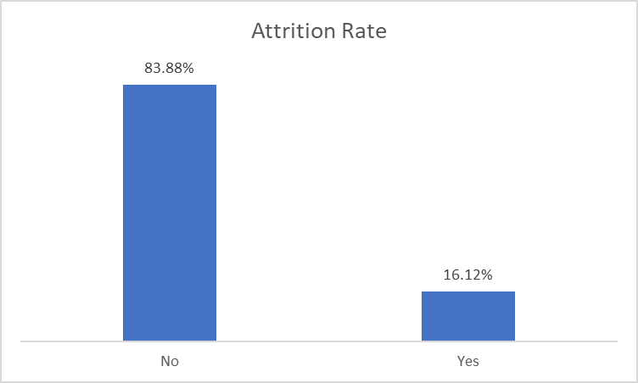
Attrition by over time
 | No | Yes
No | 39 | 7
Yes | 12 | 5
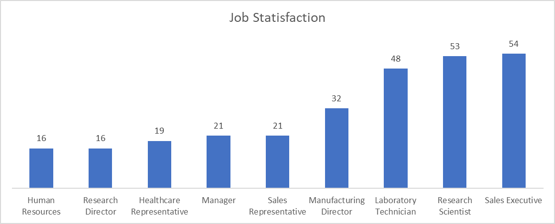

$3K

Attrition Rate By Department
 | No | Yes
Human Resources | 51 | 12
Research & Development | 828 | 133
Sales | 354 | 92
Attriton By Job Role
 | No | Yes
Healthcare Representative | 122 | 9
Laboratory Technician | 197 | 62
Manager | 51 | 3
Manufacturing Director | 135 | 10
Research Director | 78 | 2
Research Scientist | 245 | 47
Attrition By Education
 | No | Yes
Life Sciences | 86 | 33
Medical | 82 | 17
Other | 18 | 4
Technical Degree | 11 | 8
Years Since Last Promotion for all employees
 | No | Yes
10 | 1
12 | 1
3 | 2 | 1
4 | 3
7 | 3
5 | 3
2 | 6 | 2
1 | 14 | 3
0 | 18 | 6

